Description
 | Description of the screen
Lớp: FK63
Học viên: Nguyễn Đức Chính | Field Name | Type | Description
Skype: live:.cid.a09c678f71744366 | Khứ hồi | Radio Button | chọn nơi đến và đi chọn cả ngày đi và cả ngày về
 | Một chiều | Radio Button | Chọn nơi đến và đi, chọn ngày đi
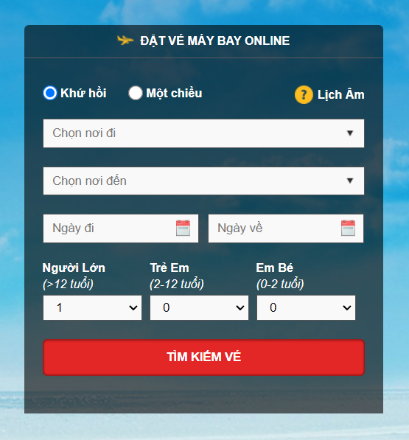
 | Chọn nơi đi | Dropdown list | Danh sách sân bay khách hàng có thể chọn là điểm xuất phát của chuyến bay
 | Chọn nơi đến | Dropdown list | Danh sách sân bay khách hàng có thể chọn là điểm đến của chuyến bay
 | Ngày đi | Date picker | Xuất hiện dạng quấn lịch để người dùng có thể lựa chọn, nhìn thấy ngày tháng năm, có thể chọn ngày hiện tại nếu còn vé trong ngày
 | Ngày về | Date picker | Xuất hiện dạng quấn lịch để người dùng có thể lựa chọn, nhìn thấy ngày tháng năm, có thể chọn ngày hiện tại nếu còn vé trong ngày
 | Người lớn | Dropdown list | Danh sách số lượng người lớn min 1 max là
 | Trẻ em | Dropdown list | Danh sách số lượng trẻ em min là 0 max là 9
 | Em bé | Dropdown list | Danh sách số lượng em bé min là 0 max là 10

Mindmap
